Sheet1
PANASONIC SYSTEM NETWORKS VIETNAM CO., LTD
REGISTER FORM FOR PROMOTION PROJECT
Name: Nguyen Van Hien | Nominated position: Assistant Manager | Section/ Department: Information System | Theme: Enhance factory quality by standardize IT systems and deploy smart solution | standardize
I. CURRENT ISSUES |  | II. PLAN & TARGET FOR FY2022 |  | Theme:
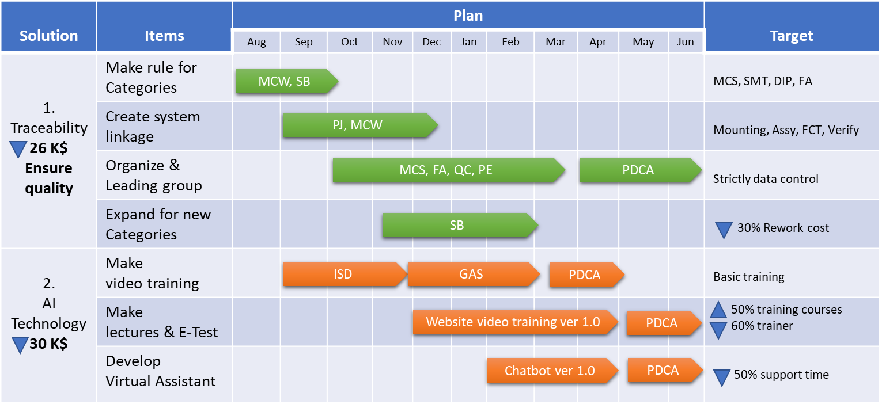
Background |  | ■ Job issue and schedule
- Sale amount not increase -> BOM direction: Make more new categories, product
- Procedure quality control issue -> Market claim, Rework cost, OQC & Process quality issue |  |  |  | Tổng Số Market claim của 1 năm
- Difficulty under covid19 -> Arrange members, organize training course, delay production plan |  |  |  | Tổng Số Market claim mà cần lấy dữ liệu: NVL, FCT,…
Rework Cost
2019 | 49.9
2020 | 87.4
Conclusion: How to resolve problem? |  |  |  | Tổng Số Market claim mà có thể xử lí được phía nhà máy
Issue 1: Procedure quality control issue |  |  |  | Tổng số lost cost
26 K$ Manual control
- Not standardize categories, product |  |  |  | Tổng số lost cost có thể xử lí được bằng hệ thống: giảm thời gian điều tra, giảm thời gian lấy dữ liệu từ máy,….
- Each process had a program but no linkage to once
- Section not check data until quality issue
- Take much time when expanding for new categories

Solution 1: Standardize and strictly control Traceability system
Keys link
Standard
Procedure

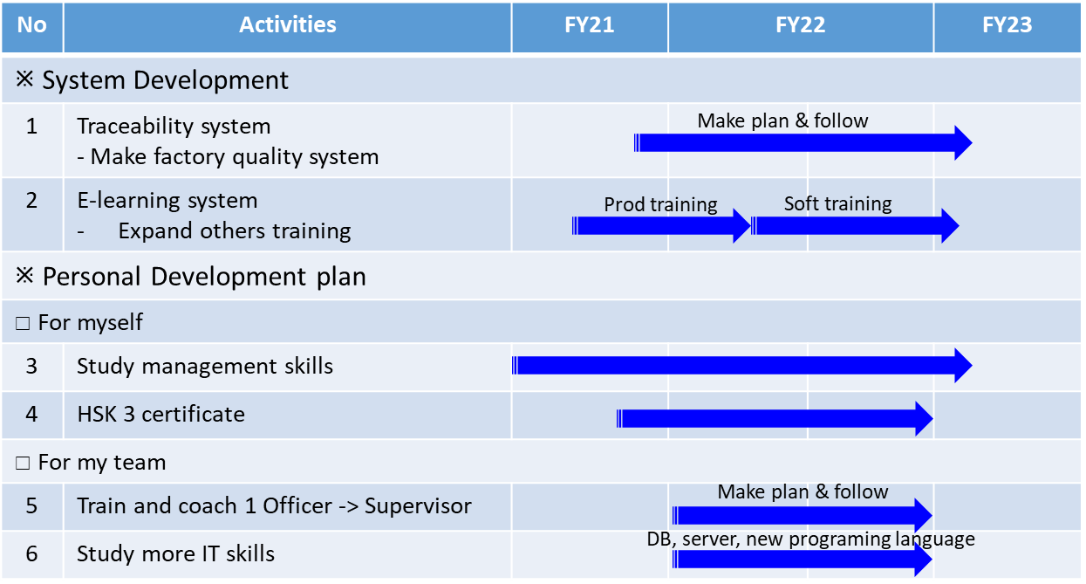
 |  | ■ Next schedule
Ensure: 100% daily checking data and control by system
Making availability for new categories, products

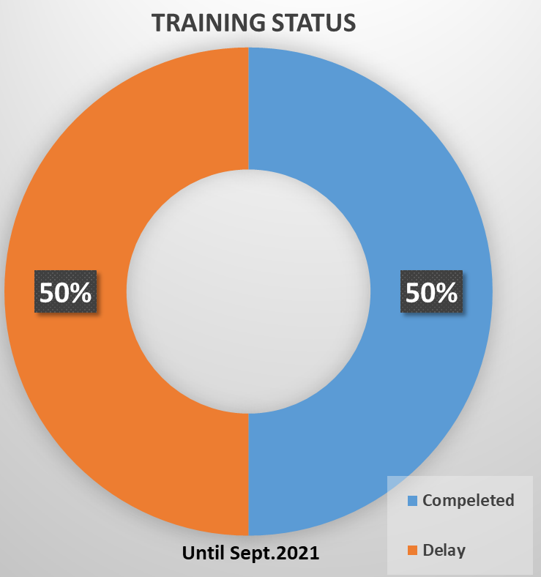
Issue 2: Employee development problem
- Difficulty opening training course if long covid
- Employee not fully knowledge and skills
- Lead to make a not good product and resignation increase
=> Big impact on PSNV business
Solution 2: Make e-learning system with AI technology
EFFECIENCY
Learning style
50% training courses
60% trainer

Study at same time
Always available
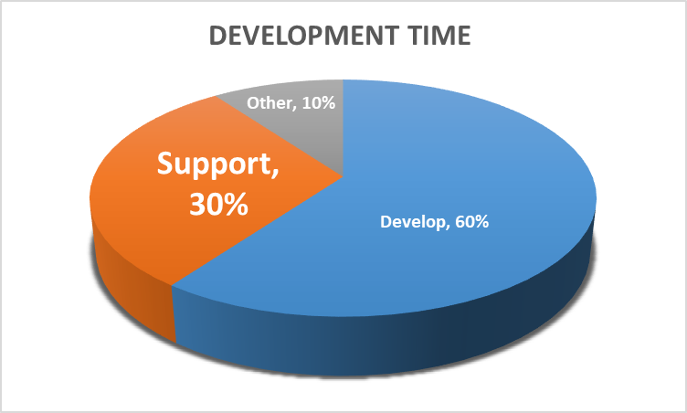
Test kind
 |  | III. CONFIRMATION OF SUPERIOR

Manual
E-Test
Support method
50% support time
Save more 20K$
(4 projects)

Directly support
Virtual support

Sheet3
Current issue

1. Standardize Traceability System
- Each process of each category issue different format
- Department not strictly following system
+ Special approved not following process
+ Not check result daily
- Difficult to check and collect data when martket claim
2. Applying AI technology
- Training using powerpoint only
- Not make excited for trainee
- Don't have training system management
- Difficult to finding and checking information on PSNV Portal

Plan & Targer

1. Standardize Traceability System

- Standardize method, element of new product
- Strictly control validation of data
- Daily background Job for collect & result report
- Easy to check when martket claim issue

Sept | Oct | Nov | Dec | Jan

2. Applying AI technology

- Making video training with Text to Speech
- Making Training system
- Make Chatbot on PSNV Portal
+ Reduce time for User support: from 30% to 15%
+ Increase Development time up: 15%
- Easy to check normal data and other system

Sept | Oct | Nov | Dec | Jan | Feb

Sheet4
DEVELOPMENT TIME
Current categories:
1. PBX
2. DP
3. SCN/Bfax/PLC/AIO
4. DECT
5. PAPVN (WM/Refrigerator)
6. HD COM
System | Items | Plan | Aug | Sept | Oct | Nov | Dec | Jan | Feb | Mar | Apr | May | PIC | Target
 | Make rule for Categories
Traceability | System linkage |  |  |  |  |  |  |  |  |  |  |  |  |  |  |  |  |  |  |  |  | VB
 | Section assign & follow |  |  |  |  |  |  |  |  |  |  |  |  |  |  |  |  |  |  |  |  | VC
 | Expand for new Categories |  |  |  |  |  |  |  |  |  |  |  |  |  |  |  |  |  |  |  |  | VR
AI Technology | Video training |  |  |  |  |  |  |  |  |  |  |  |  |  |  |  |  |  |  |  |  | VG | pro, mcw, sb
 | Training system
 | Vitual Assistant

MARKET CLAIM SUMMARY
 |  |  |  |  |  |  |  |  |  |  |  |  |  |  |  | Develop | 60%
 |  |  |  |  |  |  |  |  |  |  |  |  |  |  |  | Support | 30%
 |  |  |  |  |  |  |  |  |  |  |  |  |  |  |  | Other | 10%

 |  |  |  |  |  |  |  |  |  |  |  |  |  |  | STT | Year | CS Claim | Can support | Lost cost
 |  |  |  |  |  |  |  |  |  |  |  |  |  |  | 1 | 2017 | 8 | 3 | 250,000
 |  |  |  |  |  |  |  |  |  |  |  |  |  |  | 2 | 2018 | 9 | 4 | 120,000
 |  |  |  |  |  |  |  |  |  |  |  |  |  |  | 3 | 2019 | 6 | 3 | 160,000
 |  |  |  |  |  |  |  |  |  |  |  |  |  |  | 4 | 2020 | 5 | 2 | 180,000
 |  |  |  |  |  |  |  |  |  |  |  |  |  |  | 5 | 2021 | 2 | 1 | 92,000

 |  |  |  |  |  |  |  |  |  |  |  |  |  |  |  |  | 2017 | 2018 | 2019 | 2020 | 2021
 |  |  |  |  |  |  |  |  |  |  |  |  |  |  |  | CS Claim | 12 | 16 | 11 | 10 | 1
 |  |  |  |  |  |  |  |  |  |  |  |  |  |  |  | Can support | 1 | 1 | 4 | 2 | 1
 |  |  |  |  |  |  |  |  |  |  |  |  |  |  |  | Lost cost

BASIC TRAINING COURSE TREND
 |  |  |  |  |  |  |  |  |  |  |  |  |  |  |  |  |  | 815 min

 |  |  |  |  |  |  |  |  |  |  |  |  |  |  |  | 2017 | 2018 | 2019 | 2020 | 2021
 |  |  |  |  |  |  |  |  |  |  |  |  |  |  | Courses | 93 | 82 | 43 | 24 | 8 |  |  | Compeleted | 50
 |  |  |  |  |  |  |  |  |  |  |  |  |  |  | Time | 75795 | 66830 | 35045 | 19560 | 6520 |  |  | Delay | 50

TRAINING STATUS
 |  |  |  |  |  |  |  |  |  |  |  |  |  |  | Courses | 150
 |  |  |  |  |  |  |  |  |  |  |  |  |  |  | Basic | 60 | 40
 |  |  |  |  |  |  |  |  |  |  |  |  |  |  | Operation | 60 | 40
 |  |  |  |  |  |  |  |  |  |  |  |  |  |  | Other | 30 | 20

Courses | 150
Basic | 60 | 40
Operation | 60 | 40
Other | 30 | 20
TRAINING COURSE SUMMARY

REWORK LOST COST

 |  |  |  |  |  |  |  |  |  |  |  |  |  |  |  | Amount | USD
 |  |  |  |  |  |  |  |  |  |  |  |  |  |  |  |  | 2016 | 2017 | 2018 | 2019 | 2020 | 2021 (Until Jul)
 |  |  |  |  |  |  |  |  |  |  |  |  |  |  |  | Factory | 17,279.00 | 19,623.00 | 8,746.00 | 3,265.73 | 10,043.17 | 22.60
 |  |  |  |  |  |  |  |  |  |  |  |  |  |  |  | Part | 14,811.00 | 51,179.00 | 59,040.00 | 349,218.32 | 77,429.63 | 595.50
 |  |  |  |  |  |  |  |  |  |  |  |  |  |  |  |  | 32,090.00 | 70,802.00 | 67,786.00 | 352,484.05 | 87,472.80 | 618.10
 |  |  |  |  |  |  |  |  |  |  |  |  |  |  |  | Case
 |  |  |  |  |  |  |  |  |  |  |  |  |  |  |  |  | 2016 | 2017 | 2018 | 2019 | 2020 | 2021
 |  |  |  |  |  |  |  |  |  |  |  |  |  |  |  | Factory | 14 | 94 | 41 | 32 | 21 | 3
 |  |  |  |  |  |  |  |  |  |  |  |  |  |  |  | Part | 7 | 94 | 41 | 26 | 30 | 3
 |  |  |  |  |  |  |  |  |  |  |  |  |  |  |  |  | 21 | 188 | 82 | 58 | 51 | 6
REWORK COST SUMMARY
 |  |  |  |  |  |  |  |  |  |  |  |  |  |  |  | Sales | FY2016 | FY2017 | FY2018 | FY2019 | FY2020 | FY2021
 |  |  |  |  |  |  |  |  |  |  |  |  |  |  |  | BCBU | 94.5 | 93.7 | 80.4 | 68.9 | 56.5 | 25.3
 |  |  |  |  |  |  |  |  |  |  |  |  |  |  |  | SCBU | 122.4 | 118.2 | 126.2 | 124.1 | 96.5 | 90.1
 |  |  |  |  |  |  |  |  |  |  |  |  |  |  |  | MEBD | 1.6 | 1.8 | 1.8 | 1.6 | 27.4 | 35.2
 |  |  |  |  |  |  |  |  |  |  |  |  |  |  |  | MSBD | 12.9 | 14.6 | 15.6 | 5.6 | - | -
 |  |  |  |  |  |  |  |  |  |  |  |  |  |  |  | PAPVN | 9.3 | 12.7 | 16.4 | 16.6 | 17.9 | 20.3
 |  |  |  |  |  |  |  |  |  |  |  |  |  |  |  | KABD | - | - | - | - | 1.7 | 7.9
 |  |  |  |  |  |  |  |  |  |  |  |  |  |  |  |  | 240.7 | 241.0 | 240.4 | 216.8 | 200.0 | 178.8
 |  |  |  |  |  |  |  |  |  |  |  |  |  |  |  | Sales | FY2016 | FY2017 | FY2018 | FY2019 | FY2020 | FY2021 | FY2022
 |  |  |  |  |  |  |  |  |  |  |  |  |  |  |  | BCBU | 94.5 | 93.7 | 80.4 | 68.9 | 56.5 | 25.3
 |  |  |  |  |  |  |  |  |  |  |  |  |  |  |  | SCBU | 122.4 | 118.2 | 126.2 | 124.1 | 96.5 | 90.1
 |  |  |  |  |  |  |  |  |  |  |  |  |  |  |  | MEBD | 1.6 | 1.8 | 1.8 | 1.6 | 27.4 | 35.2
 |  |  |  |  |  |  |  |  |  |  |  |  |  |  |  | MSBD | 12.9 | 14.6 | 15.6 | 5.6 | - | -
 |  |  |  |  |  |  |  |  |  |  |  |  |  |  |  | PAPVN | 9.3 | 12.7 | 16.4 | 16.6 | 17.9 | 20.3
 |  |  |  |  |  |  |  |  |  |  |  |  |  |  |  | KABD | - | - | - | - | 1.7 | 7.9
 |  |  |  |  |  |  |  |  |  |  |  |  |  |  |  |  | 240.7 | 241.0 | 240.4 | 216.8 | 200.0 | 178.8
240.7 241.0 240.4 216.8 200.0 178.8
 |  |  |  |  |  |  |  |  |  |  |  |  |  |  |  |  | 94.5

 |  |  |  |  |  |  |  |  |  |  |  |  |  |  |  | Sales | FY2016 | FY2017 | FY2018 | FY2019 | FY2020 | FY2021 | FY2022
 |  |  |  |  |  |  |  |  |  |  |  |  |  |  |  | BCBU | 94.5 | 93.7 | 80.4 | 68.9 | 56.5 | 25.3
 |  |  |  |  |  |  |  |  |  |  |  |  |  |  |  | SCBU | 122.4 | 118.2 | 126.2 | 124.1 | 96.5 | 90.1
 |  |  |  |  |  |  |  |  |  |  |  |  |  |  |  | MEBD | 1.6 | 1.8 | 1.8 | 1.6 | 27.4 | 35.2
 |  |  |  |  |  |  |  |  |  |  |  |  |  |  |  | MSBD | 12.9 | 14.6 | 15.6 | 5.6 | - | -
 |  |  |  |  |  |  |  |  |  |  |  |  |  |  |  | PAPVN | 9.3 | 12.7 | 16.4 | 16.6 | 17.9 | 20.3
 |  |  |  |  |  |  |  |  |  |  |  |  |  |  |  | KABD | - | - | - | - | 1.7 | 7.9
 |  |  |  |  |  |  |  |  |  |  |  |  |  |  |  |  | 240.7 | 241.0 | 240.4 | 216.8 | 200.0 | 178.8 | 243,125

 |  |  |  |  |  |  |  |  |  |  |  |  |  |  |  |  | 240.7

 |  |  |  |  |  |  |  |  |  |  |  |  |  |  |  | Sales | FY2016 | FY2017 | FY2018 | FY2019 | FY2020 | FY2021 | FY2022
 |  |  |  |  |  |  |  |  |  |  |  |  |  |  |  |  | 240.7 | 241 | 240.4 | 216.8 | 200 | 178.8 | 243

 |  |  |  |  |  |  |  |  |  |  |  |  |  |  |  |  | FY2018 | FY2019 | FY2020 | FY2021
 |  |  |  |  |  |  |  |  |  |  |  |  |  |  |  |  | 102 | 63 | 55 | 38

